Getting going
https://semaphoreci.com/community/tutorials/getting-started-with-node-js-and-mocha

Getting Started with Node.js and Mocha
will walk you through its installation and configuration,
as well as demonstrate its usage by implementing a color
converter that can translate from RGB (red, green, blue)
to hexadecimal color representation. In addition,
we will create a web server that exposes the above converter and demonstrates how to test asynchronous code.

Create a project ... open terminal
npm init
create - an app directory that with the main code, and a test directory with the Mocha test files:
mkdir app
$ mkdir test

Install test framework:
$ npm install --save mocha chai
--save option to automatically save these dependencies in our package.json file.

During the server testing phase, we will need a way to send HTTP requests. Request is an excellent choice.
Install it as follows:
$ npm install --save request.

Finally, we will also need the Express package that defines a simple DSL
(domain-specific language) for routing and handling incoming HTTP requests:
$ npm install --save express

make running the test suite easier
set up the test command inside the package.json file,

"scripts": {
"test": "mocha --reporter spec"
},

e have many different report formats to choose from. You can explore other reporters on Mocha’s official website.

Starting test and failing
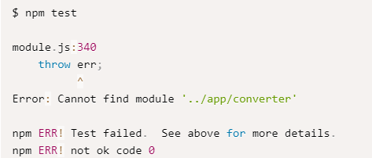
In the body of that description, we will create fine-grained segments that represent our feature in a little bit more detail:
describe("Color Code Converter", function() {
describe("RGB to Hex conversion", function() {
// specification for RGB to HEX converter
});
describe("Hex to RGB conversion", function() {
// specification for HEX to RGB converter
});
});

var expect = require("chai").expect; var converter = require("../app/converter"); describe("Color Code Converter", function() { // specification code describe("RGB to Hex conversion", function() { // specification for RGB to HEX converter it("converts the basic colors", function() { var redHex = converter.rgbToHex(255, 0, 0); var greenHex = converter.rgbToHex(0, 255, 0); var blueHex = converter.rgbToHex(0, 0, 255); expect(redHex).to.equal("ff0000"); expect(greenHex).to.equal("00ff00"); expect(blueHex).to.equal("0000ff"); }); }); describe("Hex to RGB conversion", function() { // specification for HEX to RGB converter it("converts the basic colors", function() { var red = converter.hexToRgb("ff0000"); var green = converter.hexToRgb("00ff00"); var blue = converter.hexToRgb("0000ff"); expect(red).to.deep.equal([255, 0, 0]); expect(green).to.deep.equal([0, 255, 0]); expect(blue).to.deep.equal([0, 0, 255]); }); }); });

to.deep.equal part of the above snippet. It is called a matcher, and it matches the result of a feature with an expected value.
The .deep part tells Chai to match all the elements of the arrays, one by one.

Color Converter
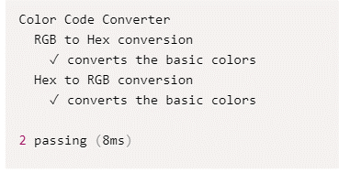
Implementing the Color Converter

//implementing the Color Converter // app/converter.js exports.rgbToHex = function(red, green, blue) { var redHex = red.toString(16); var greenHex = green.toString(16); var blueHex = blue.toString(16); return pad(redHex) + pad(greenHex) + pad(blueHex); }; function pad(hex) { return (hex.length === 1 ? "0" + hex : hex); }
exports.hexToRgb = function(hex) { var red = parseInt(hex.substring(0, 2), 16); var green = parseInt(hex.substring(2, 4), 16); var blue = parseInt(hex.substring(4, 6), 16); return [red, green, blue]; };
three arguments and returns a string that represents the color in its hexadecimal representation.
use the toString method of the incoming numbers, combined with the number 16, to invoke a conversion to hexadecimal representation

padded the resulting value with a zero prefix if it is only one character long because a valid hexadecimal representation must always contain two characters

converts from hexadecimal to RGB representation, we will use the parseInt function with the base 16 to convert parts of the incoming strings into valid decimal RGB values.

Run npm test

Implementing a server
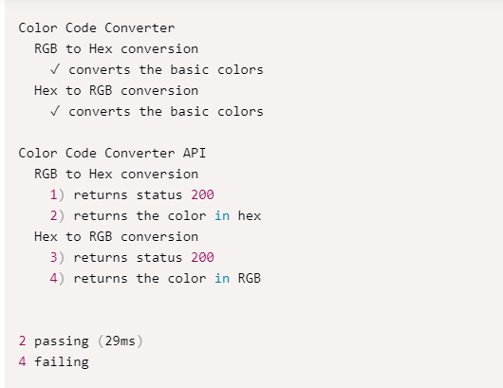
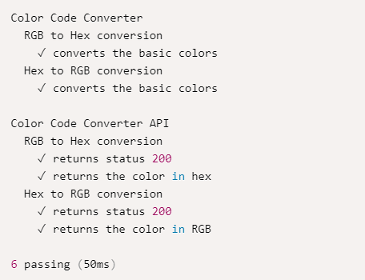
Implementing the Web Server

expose the color converter through an HTTP API,
and demonstrate writing tests for asynchronous code using Mocha.

// test/server.js var expect = require("chai").expect; var request = require("request"); describe("Color Code Converter API", function() { describe("RGB to Hex conversion", function() { var url = "http://localhost:3000/rgbToHex?red=255&green=255&blue=255"; it("returns status 200", function() {}); it("returns the color in hex", function() {}); }); describe("Hex to RGB conversion", function() { var url = "http://localhost:3000/hexToRgb?hex=00ff00"; it("returns status 200", function() {}); it("returns the color in RGB", function() {}); }); });
Before running the tests, we will run our web server on the localhost port 3000.
bigger test suite, it is probably easier and nicer to put the host part of the URLs in a global constant, and reuse it in all tests.

describe("Color Code Converter API", function() { describe("RGB to Hex conversion", function() { var url = "http://localhost:3000/rgbToHex?red=255&green=255&blue=255"; it("returns status 200", function() { request(url, function(error, response, body) { expect(response.statusCode).to.equal(200); }); }); it("returns the color in hex", function() { request(url, function(error, response, body) { expect(body).to.equal("ffffff"); }); }); }); describe("Hex to RGB conversion", function() { var url = "http://localhost:3000/hexToRgb?hex=00ff00"; it("returns status 200", function() { request(url, function(error, response, body) { expect(response.statusCode).to.equal(200); }); }); it("returns the color in RGB", function() { request(url, function(error, response, body) { expect(body).to.equal("[0,255,0]"); }); }); }); });

to make a request, we will use the Request package.
pass two arguments to it:
a URL to visit, and
a function to be invoked when the request is completed.
We will set up our expectations inside those callback functions

The final test/server.js should look like:

// test/server.js var expect = require("chai").expect; var request = require("request"); describe("Color Code Converter API", function() { describe("RGB to Hex conversion", function() { var url = "http://localhost:3000/rgbToHex?red=255&green=255&blue=255"; it("returns status 200", function(done) { request(url, function(error, response, body) { expect(response.statusCode).to.equal(200); done(); }); }); it("returns the color in hex", function(done) { request(url, function(error, response, body) { expect(body).to.equal("ffffff"); done(); }); }); }); describe("Hex to RGB conversion", function() { var url = "http://localhost:3000/hexToRgb?hex=00ff00"; it("returns status 200", function(done) { request(url, function(error, response, body) { expect(response.statusCode).to.equal(200); done(); }); }); it("returns the color in RGB", function(done) { request(url, function(error, response, body) { expect(body).to.equal("[0,255,0]"); done(); }); }); }); });

For every it that needs to wait for a response value, we will inject a done callback function and call it only when our expectations were executed. This way, Mocha will know it needs to wait for some of the expectations.

hen we run our tests again with npm test, all the expectations will fail. Of course, this happens because we don’t have a matching implementation for our color converter yet.

Coninuous Integration
Continuous Integration for NodeJs

software development practice where developers integrate the code into a shared repository several times a day. Having everything in a central location allows for continuous testing. CI allows us to create a short feedback loop, we know immediately the exact point where an error has been introduced..
Teams using CI can merge many times per day, shortening development cycles while improving on software quality.
To get started, we need to push the code to GitHub.

To get started, we need to push the code to GitHub.
Sign up for a GitHub account.
Create an empty repository, follow the create a repo steps:

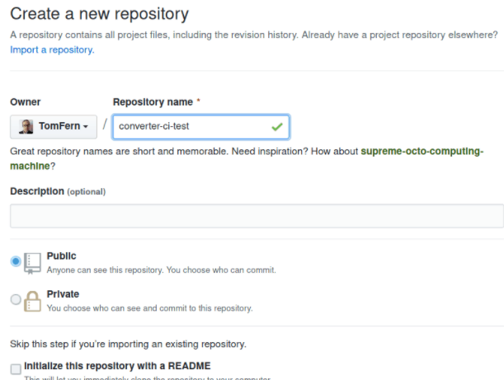

Copy the repository URL:

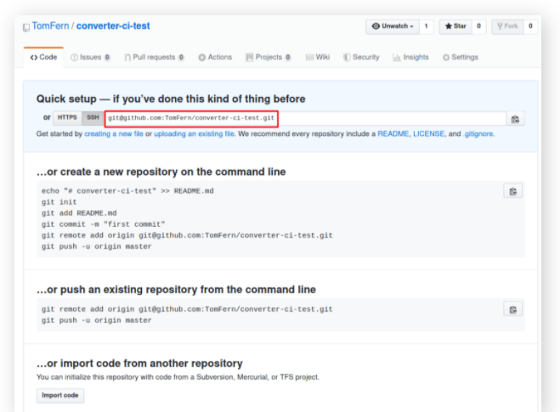

https://github.com/dlash02/converter-ci-test.git

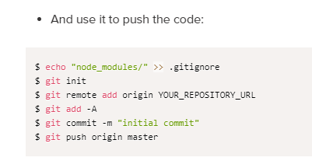

https://semaphoreci.com/community/tutorials/getting-started-with-node-js-and-mocha

